Daily Power Station Chart_14-01
Plant_13/07/2025Chart

Plant:odco1 |  |  | Installed Capacity:111.180kWp
Today Yield(kWh):607.600kWh |  | Today Earning:243040.000TND |  | Today Full Load Hours(h):5.47h

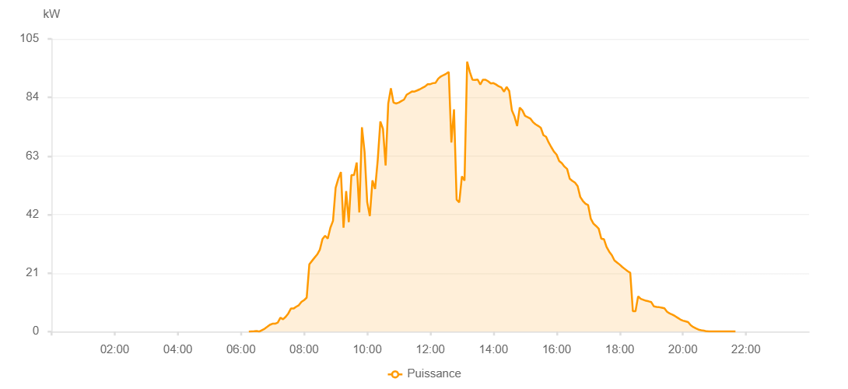

Number | Time | Working State | PV(W) | Instantaneous Radiation(W/㎡)
1 | 06:15:00 | Online | 20.00000 | 0
2 | 06:20:00 | Online | 100.00000 | 0
3 | 06:25:00 | Online | 130.00000 | 0
4 | 06:30:00 | Online | 230.00000 | 1.00000
5 | 06:35:00 | Online | 20.00000 | 3.00000
6 | 06:40:00 | Online | 540.00000 | 6.00000
7 | 06:45:00 | Online | 1030.00000 | 9.00000
8 | 06:50:00 | Online | 1720.00000 | 12.00000
9 | 06:55:00 | Online | 2440.00000 | 17.00000
10 | 07:00:00 | Online | 2850.00000 | 22.00000
11 | 07:05:00 | Online | 2850.00000 | 30.00000
12 | 07:10:00 | Online | 3260.00000 | 34.00000
13 | 07:15:00 | Online | 4990.00000 | 36.00000
14 | 07:20:00 | Online | 4450.00000 | 47.00000
15 | 07:25:00 | Online | 5310.00000 | 41.00000
16 | 07:30:00 | Online | 6510.00000 | 48.00000
17 | 07:35:00 | Online | 8270.00000 | 65.00000
18 | 07:40:00 | Online | 8270.00000 | 78.00000
19 | 07:45:00 | Online | 8930.00000 | 82.00000
20 | 07:50:00 | Online | 9460.00000 | 83.00000
21 | 07:55:00 | Online | 10660.00000 | 84.00000
22 | 08:00:00 | Online | 11290.00000 | 97.00000
23 | 08:05:00 | Online | 12210.00000 | 113.00000
24 | 08:10:00 | Online | 24140.00000 | 264.00000
25 | 08:15:00 | Online | 25360.00000 | 284.00000
26 | 08:20:00 | Online | 26550.00000 | 295.00000
27 | 08:25:00 | Online | 27680.00000 | 316.00000
28 | 08:30:00 | Online | 29410.00000 | 294.00000
29 | 08:35:00 | Online | 33200.00000 | 355.00000
30 | 08:40:00 | Online | 34400.00000 | 375.00000
31 | 08:45:00 | Online | 33360.00000 | 399.00000
32 | 08:50:00 | Online | 37260.00000 | 428.00000
33 | 08:55:00 | Online | 39720.00000 | 462.00000
34 | 09:00:00 | Online | 51580.00000 | 520.00000
35 | 09:05:00 | Online | 54810.00000 | 580.00000
36 | 09:10:00 | Online | 57240.00000 | 617.00000
37 | 09:15:00 | Online | 37270.00000 | 303.00000
38 | 09:20:00 | Online | 50400.00000 | 368.00000
39 | 09:25:00 | Online | 39270.00000 | 383.00000
40 | 09:30:00 | Online | 56150.00000 | 569.00000
41 | 09:35:00 | Online | 56160.00000 | 683.00000
42 | 09:40:00 | Online | 60650.00000 | 705.00000
43 | 09:45:00 | Online | 42750.00000 | 548.00000
44 | 09:50:00 | Online | 73290.00000 | 482.00000
45 | 09:55:00 | Online | 64430.00000 | 616.00000
46 | 10:00:00 | Online | 46470.00000 | 522.00000
47 | 10:05:00 | Online | 41460.00000 | 353.00000
48 | 10:10:00 | Online | 54250.00000 | 539.00000
49 | 10:15:00 | Online | 51150.00000 | 472.00000
50 | 10:20:00 | Online | 61530.00000 | 941.00000
51 | 10:25:00 | Online | 75370.00000 | 615.00000
52 | 10:30:00 | Online | 72720.00000 | 586.00000
53 | 10:35:00 | Online | 59590.00000 | 558.00000
54 | 10:40:00 | Online | 81810.00000 | 845.00000
55 | 10:45:00 | Online | 87260.00000 | 899.00000
56 | 10:50:00 | Online | 82160.00000 | 826.00000
57 | 10:55:00 | Online | 81850.00000 | 806.00000
58 | 11:00:00 | Online | 82150.00000 | 804.00000
59 | 11:05:00 | Online | 82700.00000 | 806.00000
60 | 11:10:00 | Online | 83230.00000 | 820.00000
61 | 11:15:00 | Online | 84970.00000 | 828.00000
62 | 11:20:00 | Online | 85550.00000 | 841.00000
63 | 11:25:00 | Online | 86130.00000 | 844.00000
64 | 11:30:00 | Online | 86120.00000 | 846.00000
65 | 11:35:00 | Online | 86510.00000 | 851.00000
66 | 11:40:00 | Online | 86930.00000 | 859.00000
67 | 11:45:00 | Online | 87440.00000 | 859.00000
68 | 11:50:00 | Online | 87940.00000 | 860.00000
69 | 11:55:00 | Online | 88750.00000 | 864.00000
70 | 12:00:00 | Online | 88770.00000 | 870.00000
71 | 12:05:00 | Online | 89130.00000 | 868.00000
72 | 12:10:00 | Online | 89260.00000 | 878.00000
73 | 12:15:00 | Online | 90730.00000 | 885.00000
74 | 12:20:00 | Online | 91520.00000 | 890.00000
75 | 12:25:00 | Online | 92020.00000 | 903.00000
76 | 12:30:00 | Online | 92490.00000 | 902.00000
77 | 12:35:00 | Online | 93140.00000 | 903.00000
78 | 12:40:00 | Online | 67840.00000 | 512.00000
79 | 12:45:00 | Online | 79730.00000 | 705.00000
80 | 12:50:00 | Online | 47340.00000 | 446.00000
81 | 12:55:00 | Online | 46340.00000 | 473.00000
82 | 13:00:00 | Online | 55700.00000 | 337.00000
83 | 13:05:00 | Online | 54150.00000 | 388.00000
84 | 13:10:00 | Online | 96850.00000 | 903.00000
85 | 13:15:00 | Online | 93180.00000 | 927.00000
86 | 13:20:00 | Online | 90380.00000 | 889.00000
87 | 13:25:00 | Online | 90290.00000 | 879.00000
88 | 13:30:00 | Online | 90430.00000 | 882.00000
89 | 13:35:00 | Online | 88610.00000 | 885.00000
90 | 13:40:00 | Online | 90360.00000 | 873.00000
91 | 13:45:00 | Online | 90340.00000 | 874.00000
92 | 13:50:00 | Online | 89790.00000 | 862.00000
93 | 13:55:00 | Online | 89020.00000 | 859.00000
94 | 14:00:00 | Online | 89150.00000 | 862.00000
95 | 14:05:00 | Online | 88630.00000 | 846.00000
96 | 14:10:00 | Online | 87990.00000 | 833.00000
97 | 14:15:00 | Online | 87610.00000 | 826.00000
98 | 14:20:00 | Online | 86090.00000 | 831.00000
99 | 14:25:00 | Online | 87760.00000 | 834.00000
100 | 14:30:00 | Online | 86290.00000 | 834.00000
101 | 14:35:00 | Online | 79420.00000 | 815.00000
102 | 14:40:00 | Online | 77150.00000 | 644.00000
103 | 14:45:00 | Online | 73750.00000 | 600.00000
104 | 14:50:00 | Online | 80360.00000 | 767.00000
105 | 14:55:00 | Online | 79350.00000 | 757.00000
106 | 15:00:00 | Online | 77400.00000 | 747.00000
107 | 15:05:00 | Online | 76940.00000 | 734.00000
108 | 15:10:00 | Online | 76460.00000 | 724.00000
109 | 15:15:00 | Online | 75180.00000 | 710.00000
110 | 15:20:00 | Online | 74370.00000 | 697.00000
111 | 15:25:00 | Online | 73790.00000 | 686.00000
112 | 15:30:00 | Online | 73120.00000 | 671.00000
113 | 15:35:00 | Online | 70470.00000 | 658.00000
114 | 15:40:00 | Online | 69910.00000 | 644.00000
115 | 15:45:00 | Online | 67830.00000 | 632.00000
116 | 15:50:00 | Online | 66140.00000 | 618.00000
117 | 15:55:00 | Online | 64570.00000 | 602.00000
118 | 16:00:00 | Online | 63480.00000 | 585.00000
119 | 16:05:00 | Online | 61180.00000 | 572.00000
120 | 16:10:00 | Online | 60420.00000 | 555.00000
121 | 16:15:00 | Online | 59190.00000 | 539.00000
122 | 16:20:00 | Online | 58350.00000 | 523.00000
123 | 16:25:00 | Online | 54830.00000 | 510.00000
124 | 16:30:00 | Online | 54060.00000 | 493.00000
125 | 16:35:00 | Online | 53420.00000 | 478.00000
126 | 16:40:00 | Online | 52180.00000 | 461.00000
127 | 16:45:00 | Online | 48320.00000 | 444.00000
128 | 16:50:00 | Online | 46870.00000 | 427.00000
129 | 16:55:00 | Online | 45870.00000 | 412.00000
130 | 17:00:00 | Online | 45360.00000 | 396.00000
131 | 17:05:00 | Online | 40510.00000 | 377.00000
132 | 17:10:00 | Online | 38770.00000 | 358.00000
133 | 17:15:00 | Online | 37890.00000 | 345.00000
134 | 17:20:00 | Online | 36960.00000 | 325.00000
135 | 17:25:00 | Online | 33360.00000 | 311.00000
136 | 17:30:00 | Online | 33160.00000 | 294.00000
137 | 17:35:00 | Online | 30390.00000 | 278.00000
138 | 17:40:00 | Online | 28700.00000 | 261.00000
139 | 17:45:00 | Online | 27430.00000 | 247.00000
140 | 17:50:00 | Online | 25520.00000 | 230.00000
141 | 17:55:00 | Online | 24780.00000 | 215.00000
142 | 18:00:00 | Online | 24030.00000 | 198.00000
143 | 18:05:00 | Online | 23170.00000 | 184.00000
144 | 18:10:00 | Online | 22430.00000 | 169.00000
145 | 18:15:00 | Online | 21680.00000 | 154.00000
146 | 18:20:00 | Online | 21090.00000 | 143.00000
147 | 18:25:00 | Online | 7340.00000 | 129.00000
148 | 18:30:00 | Online | 7340.00000 | 129.00000
149 | 18:35:00 | Online | 12660.00000 | 129.00000
150 | 18:40:00 | Online | 11750.00000 | 96.00000
151 | 18:45:00 | Online | 11420.00000 | 84.00000
152 | 18:50:00 | Online | 11070.00000 | 76.00000
153 | 18:55:00 | Online | 10860.00000 | 72.00000
154 | 19:00:00 | Online | 10590.00000 | 68.00000
155 | 19:05:00 | Online | 9050.00000 | 67.00000
156 | 19:10:00 | Online | 8880.00000 | 62.00000
157 | 19:15:00 | Online | 8760.00000 | 60.00000
158 | 19:20:00 | Online | 8600.00000 | 58.00000
159 | 19:25:00 | Online | 8360.00000 | 55.00000
160 | 19:30:00 | Online | 7100.00000 | 52.00000
161 | 19:35:00 | Online | 6510.00000 | 48.00000
162 | 19:40:00 | Online | 6120.00000 | 46.00000
163 | 19:45:00 | Online | 5600.00000 | 43.00000
164 | 19:50:00 | Online | 4990.00000 | 39.00000
165 | 19:55:00 | Online | 4380.00000 | 36.00000
166 | 20:00:00 | Online | 3940.00000 | 32.00000
167 | 20:05:00 | Online | 3700.00000 | 28.00000
168 | 20:10:00 | Online | 3430.00000 | 25.00000
169 | 20:15:00 | Online | 2290.00000 | 21.00000
170 | 20:20:00 | Online | 1620.00000 | 18.00000
171 | 20:25:00 | Online | 1160.00000 | 15.00000
172 | 20:30:00 | Online | 710.00000 | 11.00000
173 | 20:35:00 | Online | 480.00000 | 8.00000
174 | 20:40:00 | Online | 360.00000 | 5.00000
175 | 20:45:00 | Online | 110.00000 | 3.00000
176 | 20:50:00 | Online | 70.00000 | 2.00000
177 | 20:55:00 | Online | 40.00000 | 1.00000
178 | 21:00:00 | Online | 40.00000 | 1.00000
179 | 21:05:00 | Online | 40.00000 | 0
180 | 21:10:00 | Online | 40.00000 | 0
181 | 21:15:00 | Online | 40.00000 | 0
182 | 21:20:00 | Online | 40.00000 | 0
183 | 21:25:00 | Online | 40.00000 | 0
184 | 21:30:00 | Online | 40.00000 | 0
185 | 21:35:00 | Online | 40.00000 | 0
186 | 21:40:00 | Online | 40.00000 | 0
187 | 22:00:00 | Online | 0.00001 | 0.00001

